Info
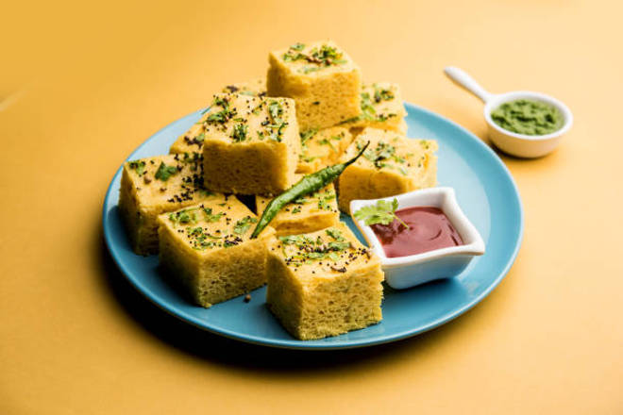
🍊 Restaurant Information

Name | Shree Radhe Khaman House
Area | Mandvi
Rating | --
Total Ratings | Too Few Ratings
Cuisines | Gujarati, Healthy Food
Cost for Two | ₹250 for two
Delivery Time | 38 mins
Swiggy URL | https://www.swiggy.com/city/vadodara/shree-radhe-khaman-house-mandvi-rest1041242
Scraped On | 18 Mar 2026, 10:34 am

── Menu Stats ──
Total Items | 14
Veg Items | 0
Non-Veg Items | 0
Bestsellers | 0
Items with Photo | 14
Categories | Khaman, Snacks

