Info
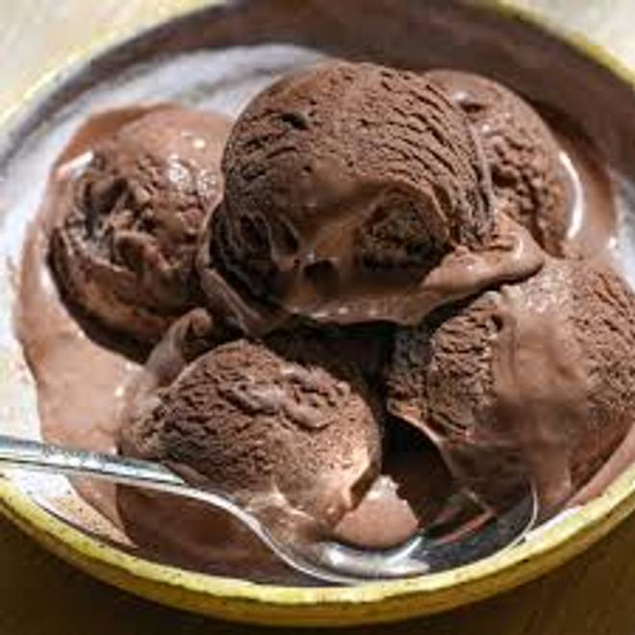
🍊 Restaurant Information

Name | Shree Raj Rajeshwari Juice And Ice Cream
Area | Mandvi
Rating | 4.2
Total Ratings | 97 ratings
Cuisines | Beverages
Cost for Two | ₹300 for two
Delivery Time | 37 mins
Swiggy URL | https://www.swiggy.com/city/vadodara/shree-raj-rajeshwari-juice-and-ice-cream-mandvi-rest1023903
Scraped On | 18 Mar 2026, 10:32 am

── Menu Stats ──
Total Items | 242
Veg Items | 0
Non-Veg Items | 0
Bestsellers | 0
Items with Photo | 14
Categories | Fresh Juice, Milk Shake, Thick Shake, Falooda With Ice Cream, Fruit Dish, Special Sunday Ice Cream, Mocktail, Fresh Fruit Short's, Falooda, Lassi, Smoothie, Ice Cream, Milk Shake With Ice Cream

