Info
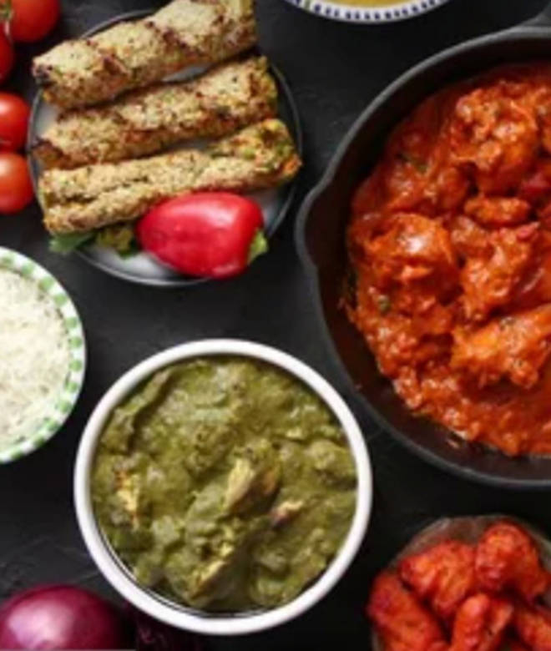
🍊 Restaurant Information

Name | Surti Test ka tadka
Area | Harni
Rating | --
Total Ratings | Too Few Ratings
Cuisines | Gujarati, South Indian
Cost for Two | ₹150 for two
Delivery Time | 54 mins
Swiggy URL | https://www.swiggy.com/city/vadodara/surti-test-ka-tadka-harni-rest571827
Scraped On | 18 Mar 2026, 11:06 am

── Menu Stats ──
Total Items | 0
Veg Items | 0
Non-Veg Items | 0
Bestsellers | 0
Items with Photo | 0
Categories

