Info
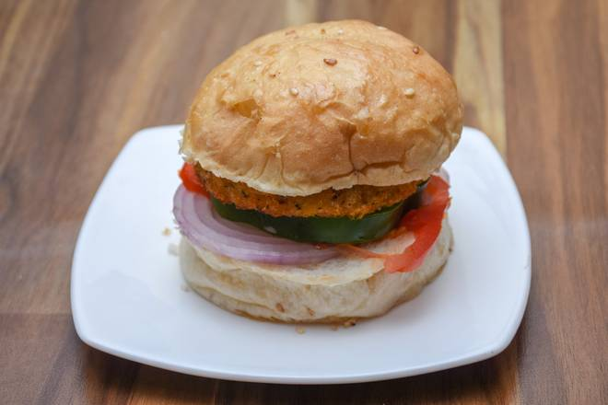
🍊 Restaurant Information

Name | Swadisht rasoi
Area | Akota
Rating | --
Total Ratings | Too Few Ratings
Cuisines | Fast Food, Burgers
Cost for Two | ₹200 for two
Delivery Time | 22 mins
Swiggy URL | https://www.swiggy.com/city/vadodara/swadisht-rasoi-akota-rest1094760
Scraped On | 18 Mar 2026, 10:35 am

── Menu Stats ──
Total Items | 15
Veg Items | 0
Non-Veg Items | 0
Bestsellers | 0
Items with Photo | 0
Categories | Burger

