Info
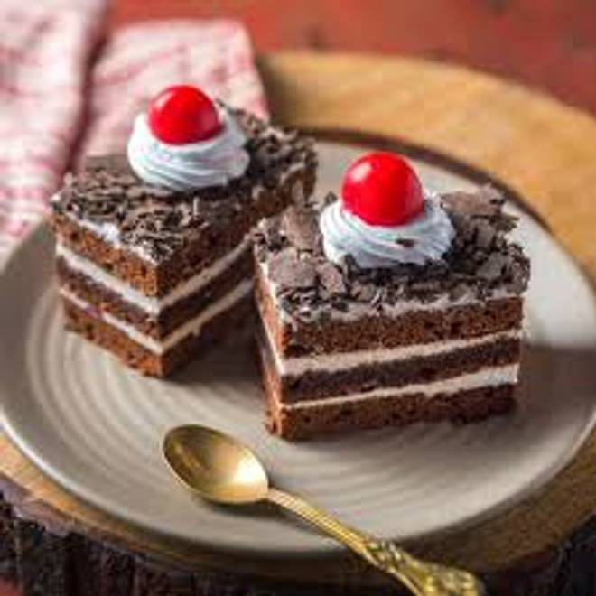
🍊 Restaurant Information

Name | The Bakers King Live Cake Shop
Area | Mandvi
Rating | 4.2
Total Ratings | 32 ratings
Cuisines | Bakery
Cost for Two | ₹200 for two
Delivery Time | 45 mins
Swiggy URL | https://www.swiggy.com/city/vadodara/the-bakers-king-live-cake-shop-mandvi-rest1031475
Scraped On | 18 Mar 2026, 10:31 am

── Menu Stats ──
Total Items | 45
Veg Items | 0
Non-Veg Items | 0
Bestsellers | 0
Items with Photo | 39
Categories | Recommended, Cakes, Pastries

