Info
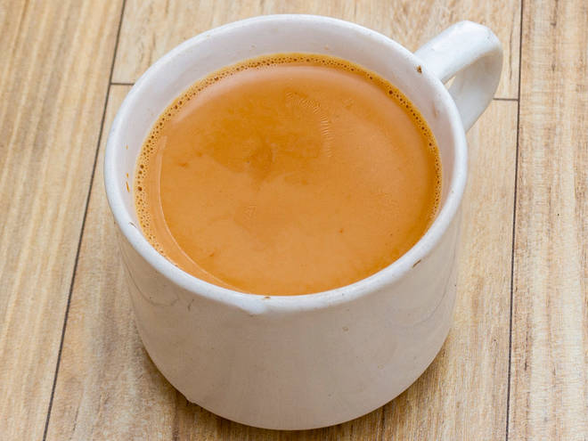
🍊 Restaurant Information

Name | The Barodian Chai
Area | Fatehgunj
Rating | 4.4
Total Ratings | 108 ratings
Cuisines | Beverages, Snacks
Cost for Two | ₹100 for two
Delivery Time | 37 mins
Swiggy URL | https://www.swiggy.com/city/vadodara/the-barodian-chai-amit-nagar-fatehgunj-rest757378
Scraped On | 18 Mar 2026, 10:35 am

── Menu Stats ──
Total Items | 85
Veg Items | 0
Non-Veg Items | 0
Bestsellers | 0
Items with Photo | 13
Categories | Recommended, Garam Taaza Nasta, Milk Shakes, Grilled Sandwich 2 Layers, Instant Nasta, Cold Coffee, Iced Tea, Puff, Flavoured Tea, Sandwich 2 Layers, Milk, Instant Noodles, Hot Coffee, Chai Without Milk, Mineral Water, Hot Flavoured Coffee, Cadbury Rakhi Combos

