Info
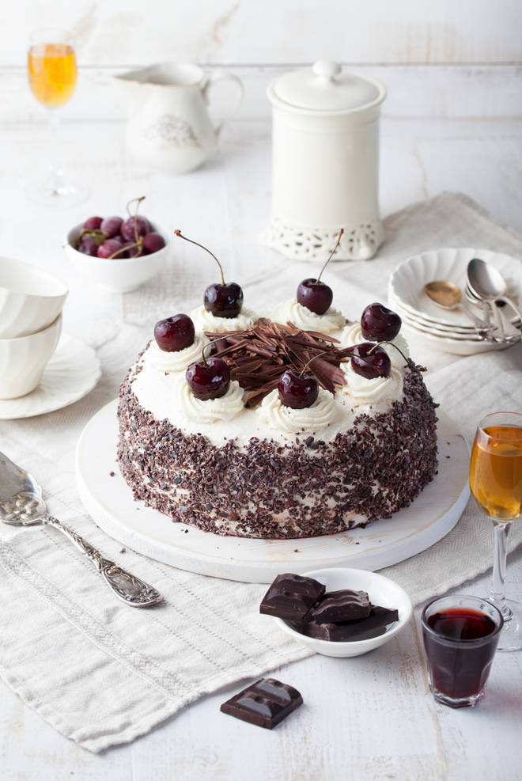
🍊 Restaurant Information

Name | The Cake Shoppe
Area | Fatehgunj
Rating | 4.3
Total Ratings | 6.8K+ ratings
Cuisines | Desserts, Bakery
Cost for Two | ₹400 for two
Delivery Time | 29 mins
Swiggy URL | https://www.swiggy.com/city/vadodara/the-cake-shoppe-main-road-fatehgunj-rest76115
Scraped On | 18 Mar 2026, 10:32 am

── Menu Stats ──
Total Items | 55
Veg Items | 0
Non-Veg Items | 0
Bestsellers | 0
Items with Photo | 0
Categories | Classic Creations, Artisan Elegance, Signature Selection, Cheese Cake Creations, Extras

