Info
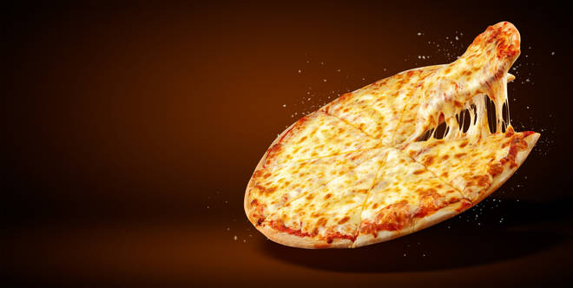
🍊 Restaurant Information

Name | The D Pizza
Area | Karelibaug
Rating | --
Total Ratings | Too Few Ratings
Cuisines | Pizzas, Snacks
Cost for Two | ₹500 for two
Delivery Time | 40 mins
Swiggy URL | https://www.swiggy.com/city/vadodara/the-d-pizza-mangal-pandey-road-karelibaug-rest659934
Scraped On | 18 Mar 2026, 10:35 am

── Menu Stats ──
Total Items | 4
Veg Items | 0
Non-Veg Items | 0
Bestsellers | 0
Items with Photo | 2
Categories | Premium Pizza

