Info
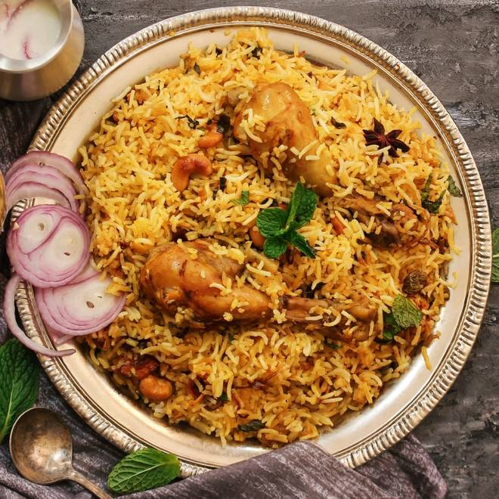
🍊 Restaurant Information

Name | The Lord Of Kitchen
Area | Waghodia
Rating | --
Total Ratings | Too Few Ratings
Cuisines | Biryani
Cost for Two | ₹350 for two
Delivery Time | 47 mins
Swiggy URL | https://www.swiggy.com/city/vadodara/the-lord-of-kitchen-waghodia-rest575465
Scraped On | 18 Mar 2026, 11:06 am

── Menu Stats ──
Total Items | 8
Veg Items | 0
Non-Veg Items | 0
Bestsellers | 0
Items with Photo | 4
Categories | Biryani

