Info
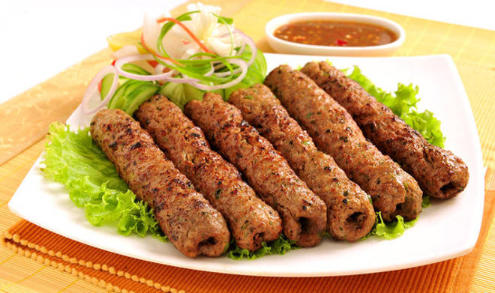
🍊 Restaurant Information

Name | The Tandoori Junction
Area | Akota
Rating | 3.6
Total Ratings | 73 ratings
Cuisines | Tandoor
Cost for Two | ₹400 for two
Delivery Time | 25 mins
Swiggy URL | https://www.swiggy.com/city/vadodara/the-tandoori-junction-samanvay-silicon-akota-rest868742
Scraped On | 18 Mar 2026, 10:31 am

── Menu Stats ──
Total Items | 81
Veg Items | 0
Non-Veg Items | 0
Bestsellers | 0
Items with Photo | 33
Categories | Recommended, Non Veg Combos, Veg Combos, Biryani, Non Veg Main Course, Non Veg Starters, Veg Main Course, Breads, Veg Starters

