Info
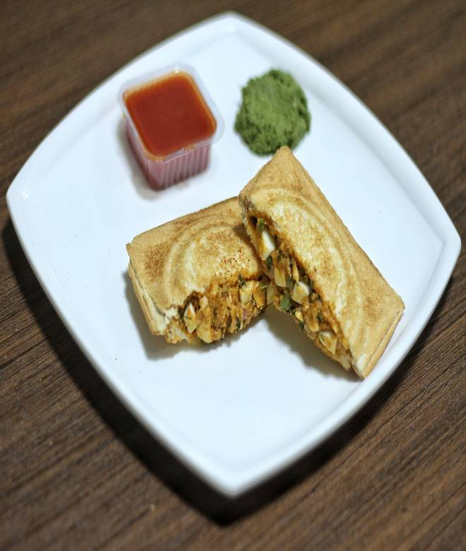
🍊 Restaurant Information

Name | Two Slices Balaji Sandwich
Area | Karelibaug
Rating | 4.8
Total Ratings | 5 ratings
Cuisines | Fast Food, Indian
Cost for Two | ₹200 for two
Delivery Time | 31 mins
Swiggy URL | https://www.swiggy.com/city/vadodara/two-slices-balaji-sandwich-karelibaug-rest1333213
Scraped On | 18 Mar 2026, 10:28 am

── Menu Stats ──
Total Items | 19
Veg Items | 0
Non-Veg Items | 0
Bestsellers | 0
Items with Photo | 14
Categories | Recommended

