Info
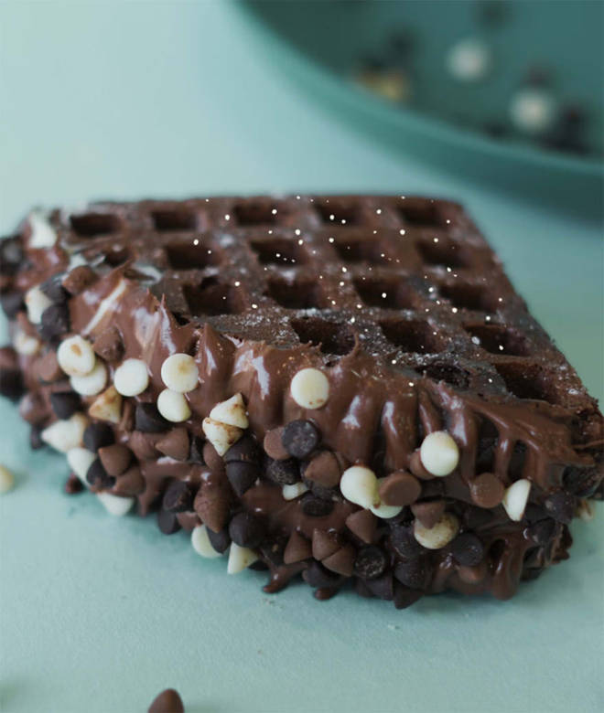
🍊 Restaurant Information

Name | Waffly
Area | Mandvi
Rating | 4.5
Total Ratings | 520 ratings
Cuisines | Beverages, Ice Cream
Cost for Two | ₹200 for two
Delivery Time | 39 mins
Swiggy URL | https://www.swiggy.com/city/vadodara/waffly-waghodia-road-mandvi-rest1047583
Scraped On | 18 Mar 2026, 10:33 am

── Menu Stats ──
Total Items | 80
Veg Items | 0
Non-Veg Items | 0
Bestsellers | 0
Items with Photo | 46
Categories | Recommended, Waffles , Hot Chocolate Brownie, Stick Waffle, Mini Waff Wich Combo, Waffle Cake (single Layer), Shakes, Lolly Waffle, Waffle Cake (double Layer)

