Info
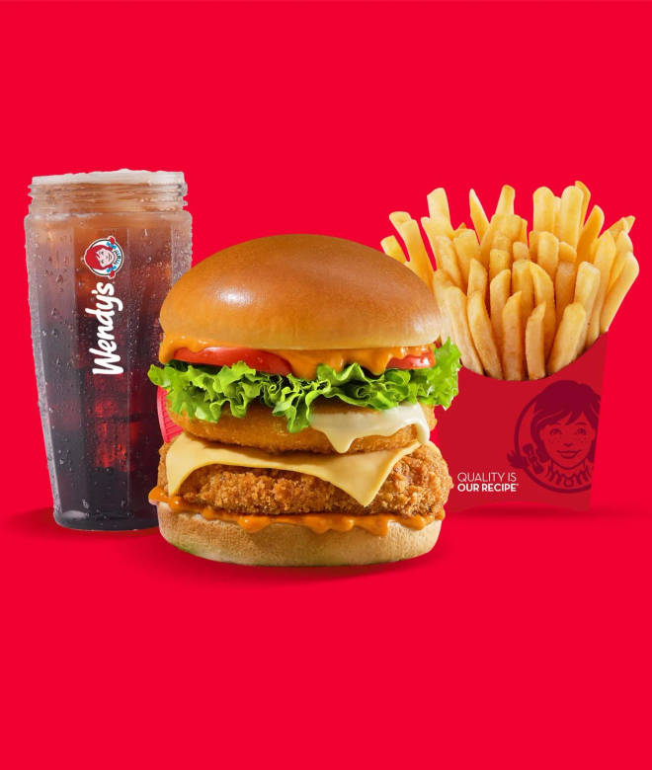
🍊 Restaurant Information

Name | Wendy's Flavor Fresh Burgers
Area | Near Genda Circle
Rating | 3.3
Total Ratings | 10 ratings
Cuisines | Biryani, North Indian
Cost for Two | ₹750 for two
Delivery Time | 30 mins
Swiggy URL | https://www.swiggy.com/city/vadodara/wendys-flavor-fresh-burgers-vikram-sarabhai-road-near-genda-circle-rest1234774
Scraped On | 18 Mar 2026, 11:07 am

── Menu Stats ──
Total Items | 64
Veg Items | 0
Non-Veg Items | 0
Bestsellers | 0
Items with Photo | 64
Categories | Recommended, Signature Burgers, Cheeseblast Burgers, 3 Pc Combos (Serves 1), Korean Burgers & Wraps, Wraps, Group Sharing Combos, Snacks Box at 199, Fries & Sides, Beverages & Desserts

