Info
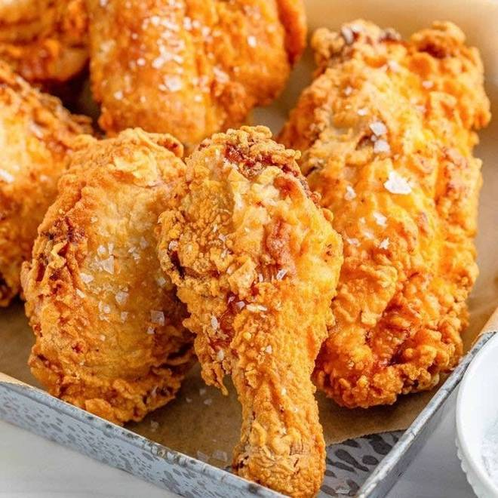
🍊 Restaurant Information

Name | Wtm - What The Meat Burgers
Area | Akota
Rating | 4.1
Total Ratings | 368 ratings
Cuisines | Burgers, Pizzas
Cost for Two | ₹300 for two
Delivery Time | 24 mins
Swiggy URL | https://www.swiggy.com/city/vadodara/wtm-what-the-meat-burgers-samanvay-silicon-akota-rest693333
Scraped On | 18 Mar 2026, 10:33 am

── Menu Stats ──
Total Items | 146
Veg Items | 0
Non-Veg Items | 0
Bestsellers | 0
Items with Photo | 105
Categories | Recommended, Wok Rice, Appetizers, Fried Rice, Signature Rolls, Healhy Bowls, Wtm Exclusive, Big Burgers, Veg Classic Burger, Noodles, One Bite Burgers, Egg Rolls, Soups, Non Veg Rolls, Sides, Veg Classic Rolls, Veg Rolls, Special Burger, Fries, Combos, Special Rolls, Veg Salads / Bowls, Veg Combos, Veg Sides

