Info
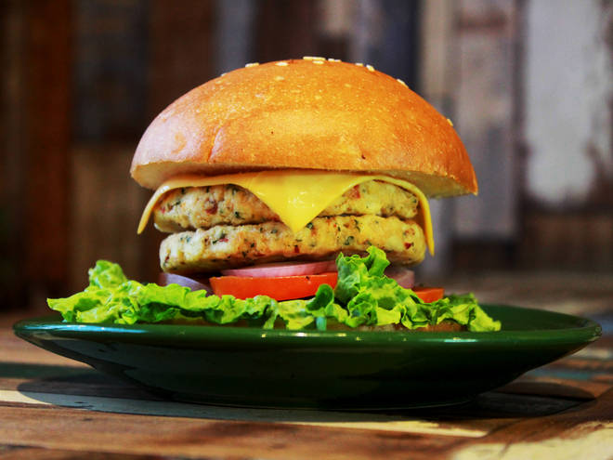
🍊 Restaurant Information

Name | Ajay's (Akota)
Area | Akota
Rating | 4.4
Total Ratings | 210 ratings
Cuisines | Burgers, Pizzas
Cost for Two | ₹200 for two
Delivery Time | 24 mins
Swiggy URL | https://www.swiggy.com/city/vadodara/ajays-akota-radhe-krishna-char-rasta-akota-rest547806
Scraped On | 18 Mar 2026, 10:38 am

── Menu Stats ──
Total Items | 26
Veg Items | 0
Non-Veg Items | 0
Bestsellers | 0
Items with Photo | 20
Categories | Recommended, Burgers, Pizza 6 inch, Sides, Cold beverages, Garlic bread

