Info
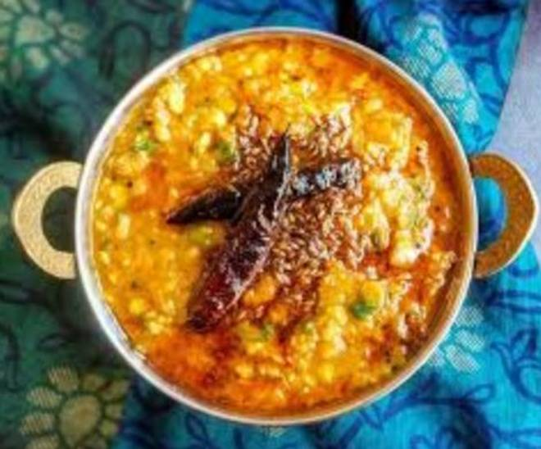
🍊 Restaurant Information

Name | Ambe Food Service
Area | Mandvi
Rating | 2.9
Total Ratings | 4 ratings
Cuisines | North Indian
Cost for Two | ₹250 for two
Delivery Time | 40 mins
Swiggy URL | https://www.swiggy.com/city/vadodara/ambe-food-service-mandvi-rest1165440
Scraped On | 18 Mar 2026, 10:41 am

── Menu Stats ──
Total Items | 49
Veg Items | 0
Non-Veg Items | 0
Bestsellers | 0
Items with Photo | 0
Categories | Thali., Sabji, Bread, majedar khana , Paratha

