Info
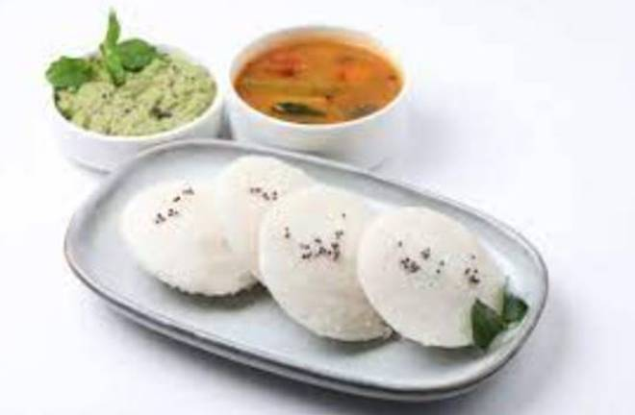
🍊 Restaurant Information

Name | Annapurna Foodies
Area | Mandvi
Rating | 2.6
Total Ratings | 4 ratings
Cuisines | South Indian
Cost for Two | ₹250 for two
Delivery Time | 40 mins
Swiggy URL | https://www.swiggy.com/city/vadodara/annapurna-foodies-mandvi-rest1165441
Scraped On | 18 Mar 2026, 10:41 am

── Menu Stats ──
Total Items | 38
Veg Items | 0
Non-Veg Items | 0
Bestsellers | 0
Items with Photo | 12
Categories | Main Course, Dosa, Kuch Khaye? Idli Haina....;), Lets Have Utthappum Anna, Pulao, Biryani

