Info
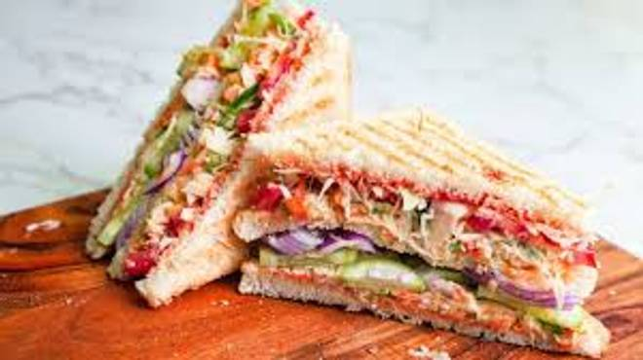
🍊 Restaurant Information

Name | Apna Adda
Area | Akota
Rating | --
Total Ratings | Too Few Ratings
Cuisines | Chinese, Pastas
Cost for Two | ₹250 for two
Delivery Time | 29 mins
Swiggy URL | https://www.swiggy.com/city/vadodara/apna-adda-akota-rest1078720
Scraped On | 18 Mar 2026, 10:36 am

── Menu Stats ──
Total Items | 119
Veg Items | 0
Non-Veg Items | 0
Bestsellers | 0
Items with Photo | 0
Categories | Vegetable, Shakes, Chocolate, Sandwich, French Fries, 24 Carat Gold Sandwiches, Paneer Chilli, Cheese Chilli, Green Chatni Cheese, Green Chutney Paneer Cheese, Breads, Dip On Side, Extras, Green Chutni Paneer Cheese

