Info
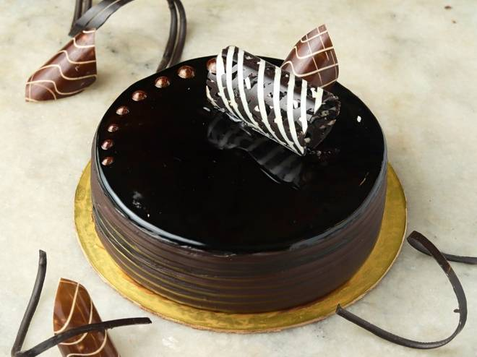
🍊 Restaurant Information

Name | B2 Cake Shop
Area | Fatehgunj
Rating | --
Total Ratings | Too Few Ratings
Cuisines | Coastal
Cost for Two | ₹250 for two
Delivery Time | 29 mins
Swiggy URL | https://www.swiggy.com/city/vadodara/b2-cake-shop-fatehgunj-rest1100443
Scraped On | 18 Mar 2026, 10:46 am

── Menu Stats ──
Total Items | 31
Veg Items | 0
Non-Veg Items | 0
Bestsellers | 0
Items with Photo | 0
Categories | Cake

