Info
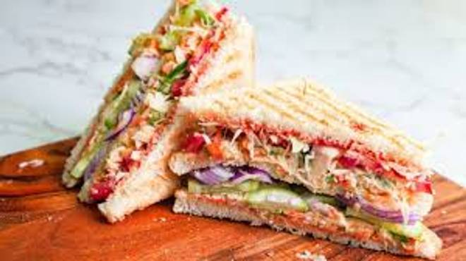
🍊 Restaurant Information

Name | Balaji Bakers
Area | Mandvi
Rating | 3.4
Total Ratings | 8 ratings
Cuisines | Fast Food
Cost for Two | ₹199 for two
Delivery Time | 40 mins
Swiggy URL | https://www.swiggy.com/city/vadodara/balaji-bakers-mandvi-rest1050120
Scraped On | 18 Mar 2026, 10:44 am

── Menu Stats ──
Total Items | 374
Veg Items | 0
Non-Veg Items | 0
Bestsellers | 0
Items with Photo | 44
Categories | Snacks, Combos, Hot Dog, Cold, Cold Coffee & Milkshake Bliss, Rolls, Muffins/ Drycake/brownie, Panini, Bread / Bun, Cold Drinks, Khari & Toast, Summer Special Combo, Valentine's Special, Cadbury, Veeba Sauses, Cakes & Pastries

