Info
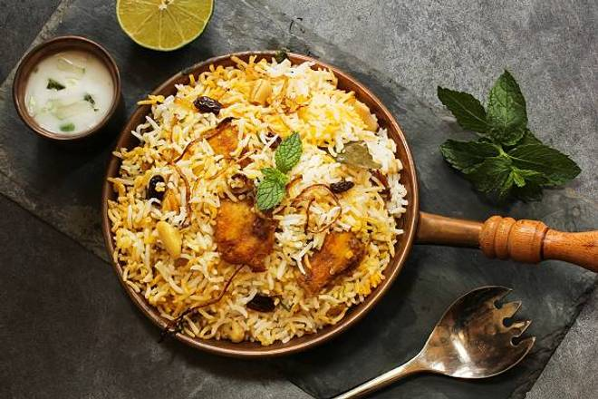
🍊 Restaurant Information

Name | Bayleaf Multi Cuisine Restaurant
Area | Alkapuri
Rating | 4.1
Total Ratings | 247 ratings
Cuisines | Indian, Chinese
Cost for Two | ₹600 for two
Delivery Time | 27 mins
Swiggy URL | https://www.swiggy.com/city/vadodara/bayleaf-multi-cuisine-restaurant-alkapuri-rest378220
Scraped On | 18 Mar 2026, 10:43 am

── Menu Stats ──
Total Items | 207
Veg Items | 0
Non-Veg Items | 0
Bestsellers | 0
Items with Photo | 112
Categories | Recommended, Soups & Salads & Starters, All Time Favourites, Sandwiches & Burgers, Desserts, Mocktails, Cold Beverages, Breakfast, Indian Vegetarian Main Course, Mini Meals, Indian Non Vegetarian Main Course, Chawal (Rice), Continental Dishes, Dal (Lentils), Indian Breads, Oriental Dishes, Rice & Noodles

