Info
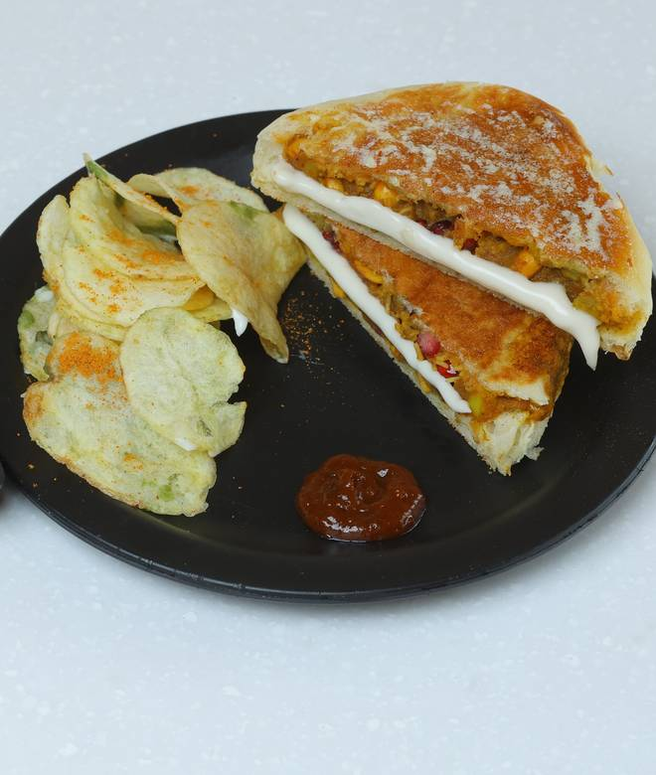
🍊 Restaurant Information

Name | Bhai Bhai Dabeli Akota(Cow Circle)
Area | Akota
Rating | 4.3
Total Ratings | 155 ratings
Cuisines | Italian, Italian-American
Cost for Two | ₹300 for two
Delivery Time | 19 mins
Swiggy URL | https://www.swiggy.com/city/vadodara/bhai-bhai-dabeli-akota-cow-circle-bpc-rd-akota-rest863939
Scraped On | 18 Mar 2026, 10:38 am

── Menu Stats ──
Total Items | 49
Veg Items | 0
Non-Veg Items | 0
Bestsellers | 0
Items with Photo | 17
Categories | Recommended, Dabeli, Vadapav, Bhai Bhai Special Combo, Kids Menu, Mini dabeli

