Info
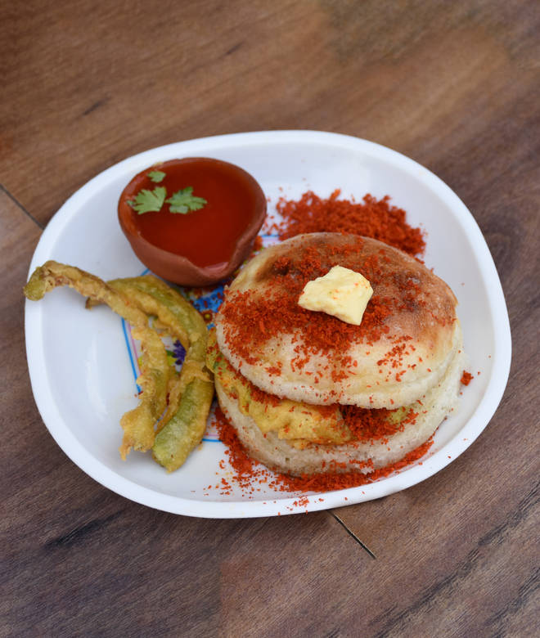
🍊 Restaurant Information

Name | Bhai Bhai Dabeli And Fast Food
Area | Kendranagar
Rating | 4.4
Total Ratings | 289 ratings
Cuisines | Street Food, Snacks
Cost for Two | ₹200 for two
Delivery Time | 35 mins
Swiggy URL | https://www.swiggy.com/city/vadodara/bhai-bhai-dabeli-and-fast-food-d-mart-road-kendranagar-rest356399
Scraped On | 18 Mar 2026, 10:39 am

── Menu Stats ──
Total Items | 35
Veg Items | 0
Non-Veg Items | 0
Bestsellers | 0
Items with Photo | 17
Categories | Recommended, Combo Coffee, Dabeli, Frankie, Puff, Vada Pav, farali item, Starters, Navratri Specials, Spring Roll

