Info
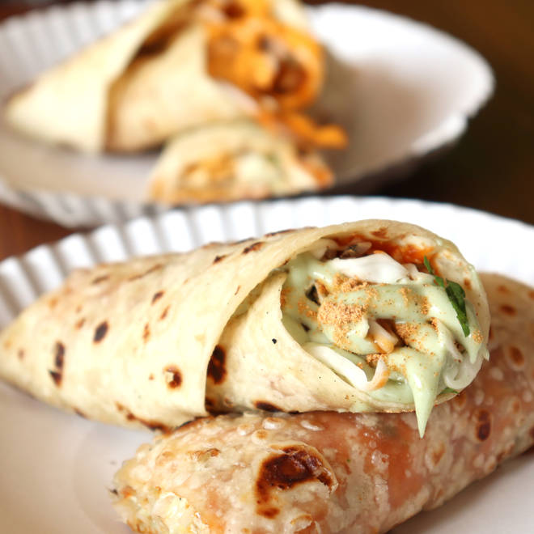
🍊 Restaurant Information

Name | Bombay Famous Frankie - Manjalpur
Area | Manjalpur
Rating | 4.1
Total Ratings | 4.6K+ ratings
Cuisines | Fast Food, Italian
Cost for Two | ₹200 for two
Delivery Time | 40 mins
Swiggy URL | https://www.swiggy.com/city/vadodara/bombay-famous-frankie-manjalpur-bhawan-school-road-manjalpur-rest86936
Scraped On | 18 Mar 2026, 10:44 am

── Menu Stats ──
Total Items | 33
Veg Items | 0
Non-Veg Items | 0
Bestsellers | 0
Items with Photo | 33
Categories | Recommended, Frankies, Burgers, Sandwiches, HotDog, Pizzas

