Info
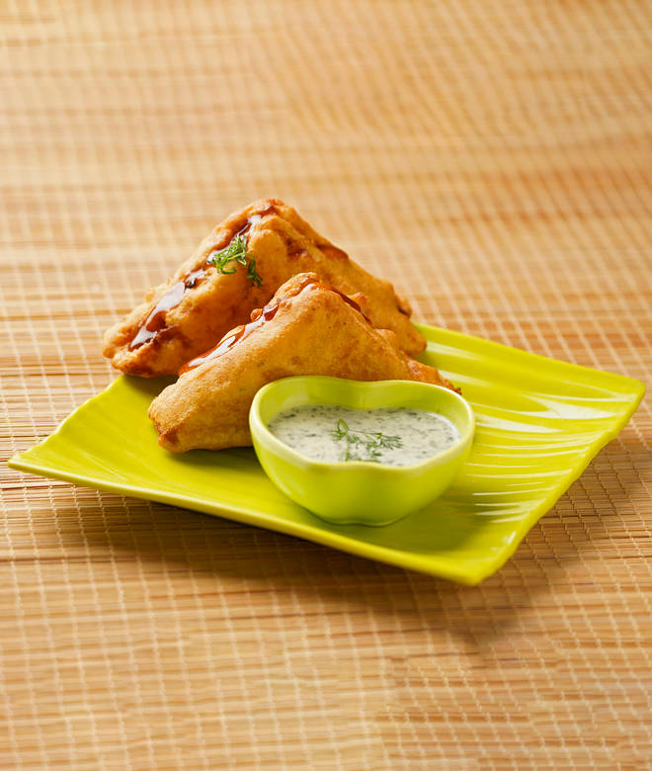
🍊 Restaurant Information

Name | Bombay Fast Food
Area | Manjalpur
Rating | 3.7
Total Ratings | 158 ratings
Cuisines | Street Food, Beverages
Cost for Two | ₹300 for two
Delivery Time | 38 mins
Swiggy URL | https://www.swiggy.com/city/vadodara/bombay-fast-food-pratapnagar-road-manjalpur-rest439861
Scraped On | 18 Mar 2026, 10:41 am

── Menu Stats ──
Total Items | 42
Veg Items | 0
Non-Veg Items | 0
Bestsellers | 0
Items with Photo | 22
Categories | Recommended, Maggie, Sandwich, Grill Sandwich, Panipuri, Vadapav, Samosa, Tea & Coffee

