Info
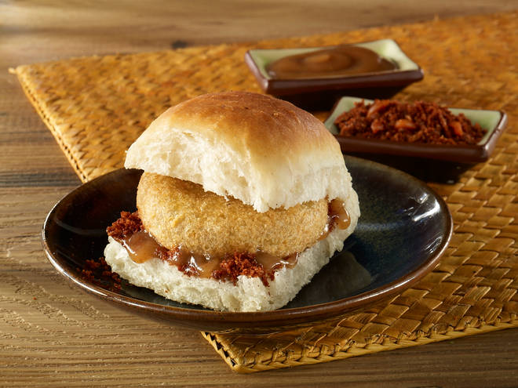
🍊 Restaurant Information

Name | Bombay Vadapav
Area | Akota
Rating | 3.8
Total Ratings | 1.0K+ ratings
Cuisines | Fast Food, Snacks
Cost for Two | ₹200 for two
Delivery Time | 36 mins
Swiggy URL | https://www.swiggy.com/city/vadodara/bombay-vadapav-vivanta-akota-rest96309
Scraped On | 18 Mar 2026, 10:43 am

── Menu Stats ──
Total Items | 4
Veg Items | 0
Non-Veg Items | 0
Bestsellers | 0
Items with Photo | 3
Categories | Milk Shake

