Info
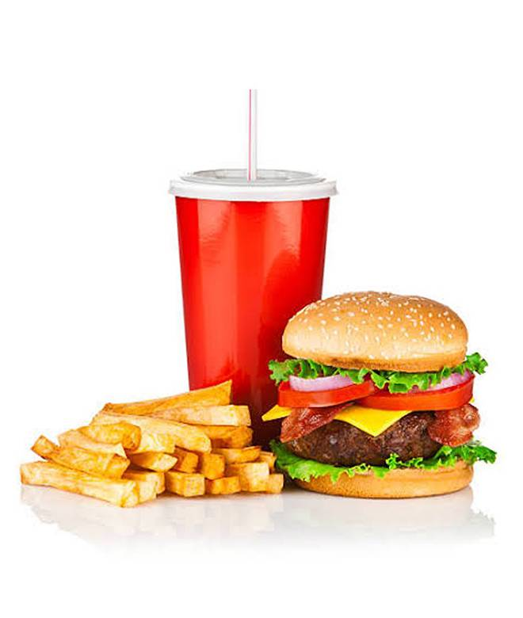
🍊 Restaurant Information

Name | Burger Queen
Area | Mandvi
Rating | --
Total Ratings | Too Few Ratings
Cuisines | Burgers
Cost for Two | ₹300 for two
Delivery Time | 44 mins
Swiggy URL | https://www.swiggy.com/city/vadodara/burger-queen-mandvi-rest1173556
Scraped On | 18 Mar 2026, 10:40 am

── Menu Stats ──
Total Items | 34
Veg Items | 0
Non-Veg Items | 0
Bestsellers | 0
Items with Photo | 31
Categories | Soup, Burgers, Breakfast, Snacks

