Info
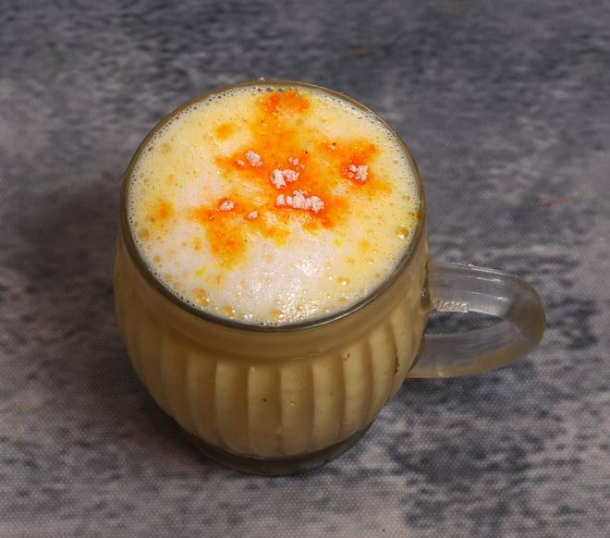
🍊 Restaurant Information

Name | Chhaswala Dandia Bazar
Area | Mandvi
Rating | 4.3
Total Ratings | 7 ratings
Cuisines | Beverages, Desserts
Cost for Two | ₹200 for two
Delivery Time | 29 mins
Swiggy URL | https://www.swiggy.com/city/vadodara/chhaswala-dandia-bazar-dandiya-bazaar-main-road-mandvi-rest679951
Scraped On | 18 Mar 2026, 10:42 am

── Menu Stats ──
Total Items | 0
Veg Items | 0
Non-Veg Items | 0
Bestsellers | 0
Items with Photo | 0
Categories

