Info
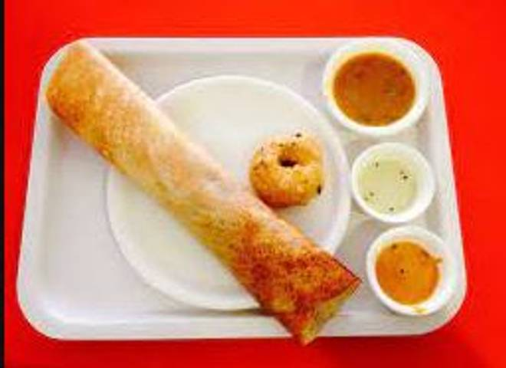
🍊 Restaurant Information

Name | Chinnu South Indian Food
Area | Fatehgunj
Rating | 4.3
Total Ratings | 37 ratings
Cuisines | South Indian
Cost for Two | ₹200 for two
Delivery Time | 29 mins
Swiggy URL | https://www.swiggy.com/city/vadodara/chinnu-south-indian-food-swaminarayan-nagar-fatehgunj-rest849574
Scraped On | 18 Mar 2026, 10:36 am

── Menu Stats ──
Total Items | 21
Veg Items | 0
Non-Veg Items | 0
Bestsellers | 0
Items with Photo | 14
Categories | Recommended, Dosa, Uttapam, Idly And Vada

