Info
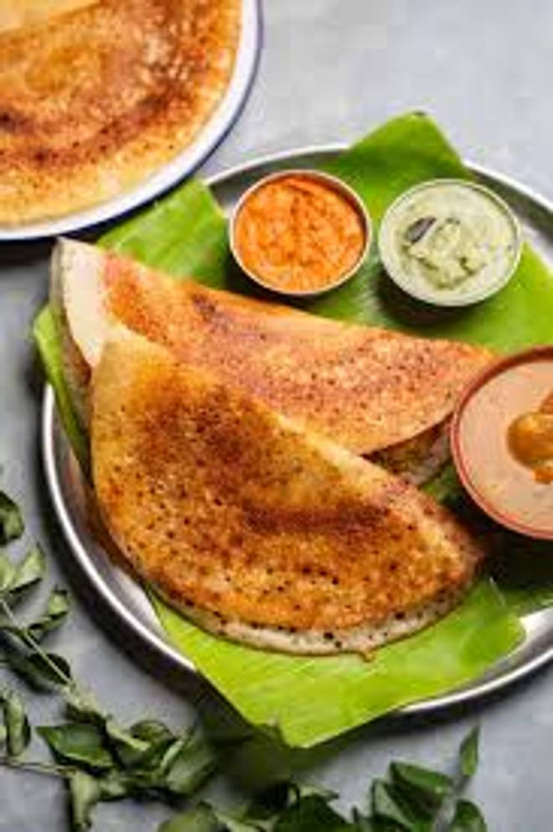
🍊 Restaurant Information

Name | Chula Dosa
Area | Fatehgunj
Rating | 4.1
Total Ratings | 9 ratings
Cuisines | Punjabi
Cost for Two | ₹500 for two
Delivery Time | 28 mins
Swiggy URL | https://www.swiggy.com/city/vadodara/chula-dosa-fatehgunj-rest1254319
Scraped On | 18 Mar 2026, 10:41 am

── Menu Stats ──
Total Items | 253
Veg Items | 0
Non-Veg Items | 0
Bestsellers | 0
Items with Photo | 10
Categories | Snacks, Beverages, Dosa, Punjabi, Chinese

