Info
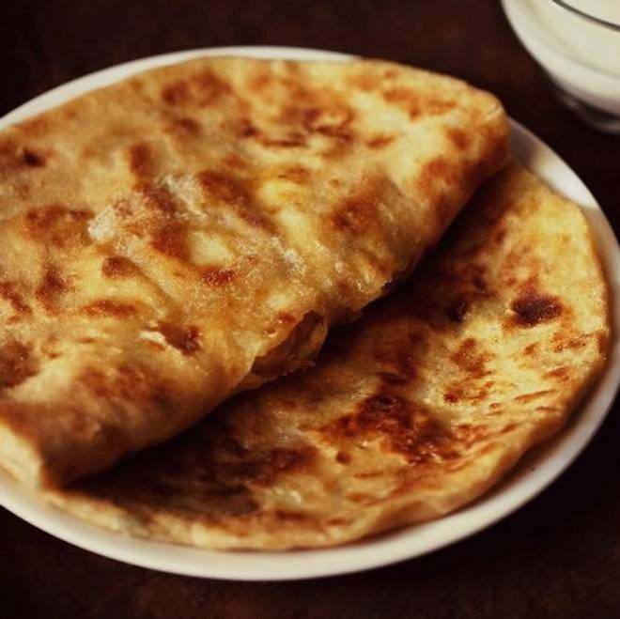
🍊 Restaurant Information

Name | DD De Kulche
Area | karelibaugh
Rating | 4.1
Total Ratings | 18 ratings
Cuisines | North Indian, Beverages
Cost for Two | ₹200 for two
Delivery Time | 32 mins
Swiggy URL | https://www.swiggy.com/city/vadodara/dd-de-kulche-fatehgunj-karelibaugh-rest820570
Scraped On | 18 Mar 2026, 10:42 am

── Menu Stats ──
Total Items | 1
Veg Items | 0
Non-Veg Items | 0
Bestsellers | 0
Items with Photo | 1
Categories | Gujarati Thali

