Info
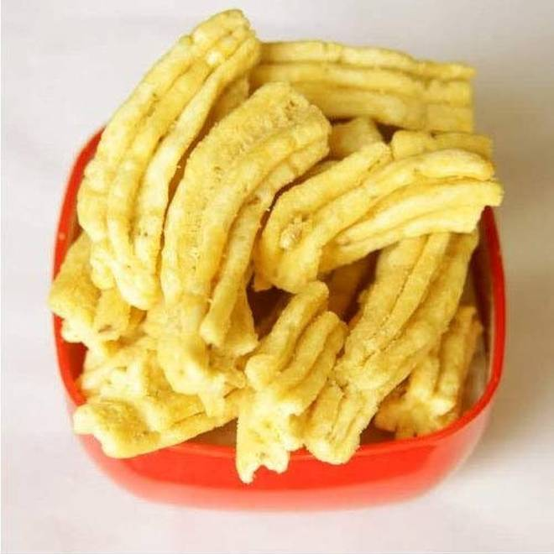
🍊 Restaurant Information

Name | Damodarlal S Agrawal Samosawala
Area | Fatehgunj
Rating | --
Total Ratings | Too Few Ratings
Cuisines | Fast Food
Cost for Two | ₹150 for two
Delivery Time | 33 mins
Swiggy URL | https://www.swiggy.com/city/vadodara/damodarlal-s-agrawal-samosawala-sadar-bazaar-fatehgunj-rest901025
Scraped On | 18 Mar 2026, 10:46 am

── Menu Stats ──
Total Items | 0
Veg Items | 0
Non-Veg Items | 0
Bestsellers | 0
Items with Photo | 0
Categories

