Info
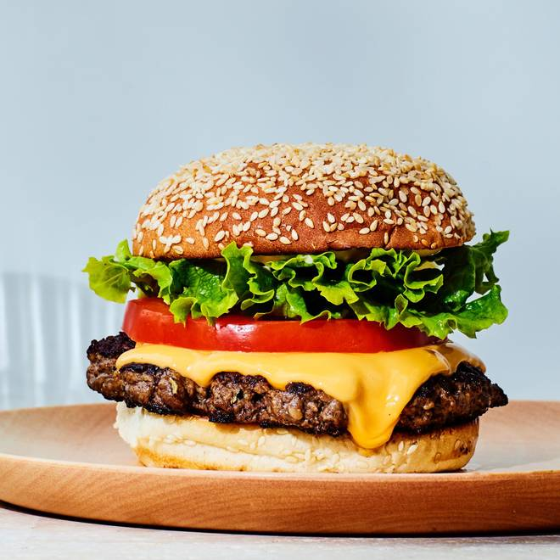
🍊 Restaurant Information

Name | Delhi Chat Centre
Area | Fatehgunj
Rating | 4
Total Ratings | 5 ratings
Cuisines | Lucknowi, South Indian
Cost for Two | ₹199 for two
Delivery Time | 44 mins
Swiggy URL | https://www.swiggy.com/city/vadodara/delhi-chat-centre-fatehgunj-rest1308873
Scraped On | 18 Mar 2026, 10:44 am

── Menu Stats ──
Total Items | 13
Veg Items | 0
Non-Veg Items | 0
Bestsellers | 0
Items with Photo | 13
Categories | Chaat

