Info
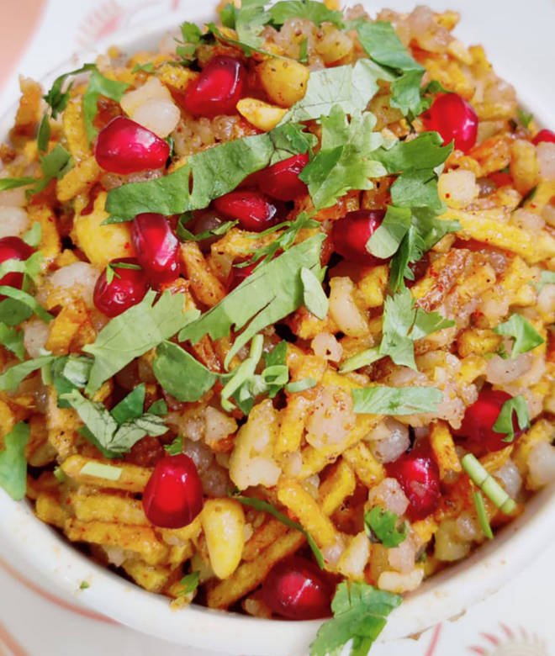
🍊 Restaurant Information

Name | Devdhani Faradi Center
Area | Khodiyar Nagar
Rating | 4.5
Total Ratings | 355 ratings
Cuisines | Fast Food, Gujarati
Cost for Two | ₹150 for two
Delivery Time | 36 mins
Swiggy URL | https://www.swiggy.com/city/vadodara/devdhani-faradi-center-new-vip-road-khodiyar-nagar-rest521358
Scraped On | 18 Mar 2026, 10:37 am

── Menu Stats ──
Total Items | 29
Veg Items | 0
Non-Veg Items | 0
Bestsellers | 0
Items with Photo | 28
Categories | Recommended, Faradi / Farali Snacks, Faradi / Farali Special

