Info
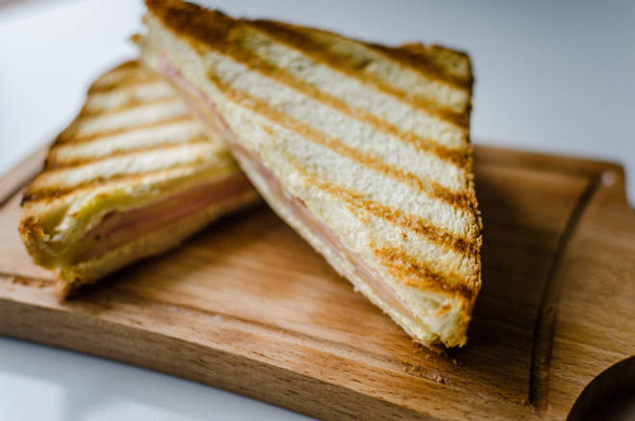
🍊 Restaurant Information

Name | Devi's Coffee Bar
Area | Alkapuri
Rating | 4.5
Total Ratings | 1.2K+ ratings
Cuisines | Fast Food, Street Food
Cost for Two | ₹250 for two
Delivery Time | 34 mins
Swiggy URL | https://www.swiggy.com/city/vadodara/devis-coffee-bar-alkapuri-rest68086
Scraped On | 18 Mar 2026, 10:35 am

── Menu Stats ──
Total Items | 127
Veg Items | 0
Non-Veg Items | 0
Bestsellers | 0
Items with Photo | 70
Categories | Recommended, Cold Coffee Menu, Tea, Maggi, Burgers, Jumbo Puff, Fries, Toast, Sandwich (2Slice), Club Sandwich (3Slice), Special Grill Sandwich (2Slice), Pizza, Shakes, Slush

