Info
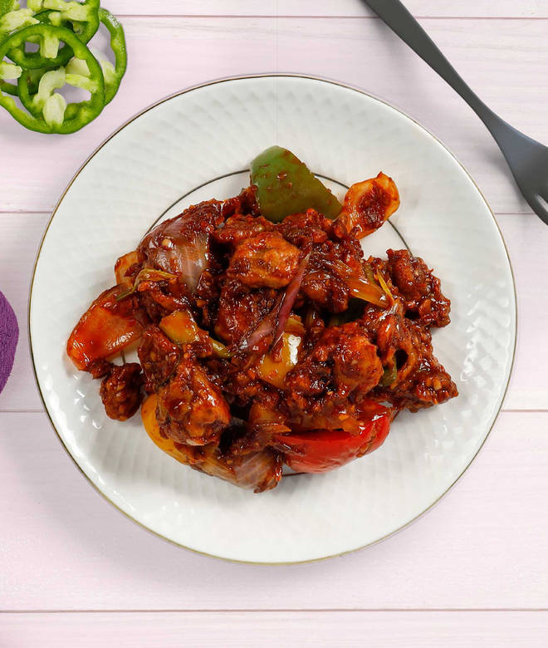
🍊 Restaurant Information

Name | Dhakka Mukki
Area | Mandvi
Rating | 4
Total Ratings | 5 ratings
Cuisines | Fast Food, Beverages
Cost for Two | ₹300 for two
Delivery Time | 37 mins
Swiggy URL | https://www.swiggy.com/city/vadodara/dhakka-mukki-ajwa-road-mandvi-rest485378
Scraped On | 18 Mar 2026, 10:43 am

── Menu Stats ──
Total Items | 59
Veg Items | 0
Non-Veg Items | 0
Bestsellers | 0
Items with Photo | 2
Categories | Maggie, Pizza, Grilled Sandwich, Pasta, French Fries, Vadapav, Combos, Burger, Garlic Bread, Frankie Wrap, Ice Tea, Mocktails, Fully Loaded French Fries, Dabeli

