Info
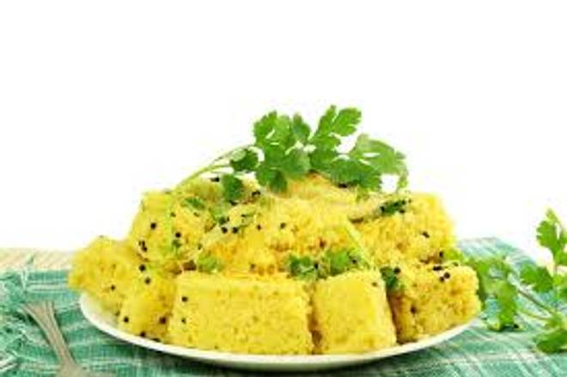
🍊 Restaurant Information

Name | Dilip Khaman House
Area | Karelibaugh
Rating | --
Total Ratings | Too Few Ratings
Cuisines | Snacks
Cost for Two | ₹199 for two
Delivery Time | 31 mins
Swiggy URL | https://www.swiggy.com/city/vadodara/dilip-khaman-house-fatehgunj-karelibaugh-rest1078336
Scraped On | 18 Mar 2026, 10:42 am

── Menu Stats ──
Total Items | 5
Veg Items | 0
Non-Veg Items | 0
Bestsellers | 0
Items with Photo | 2
Categories | Potato Varieties

