Info
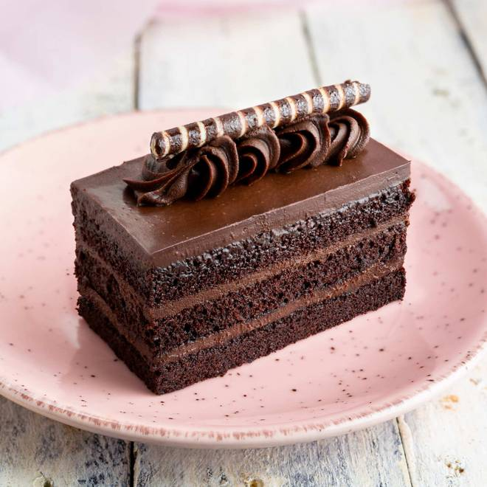
🍊 Restaurant Information

Name | Dough Delight
Area | BAPA SITARAM NAGAR
Rating | 4.2
Total Ratings | 28 ratings
Cuisines | Ice Cream Cakes, Cafe
Cost for Two | ₹250 for two
Delivery Time | 36 mins
Swiggy URL | https://www.swiggy.com/city/vadodara/dough-delight-chamunda-nagar-bapa-sitaram-nagar-rest945073
Scraped On | 18 Mar 2026, 10:37 am

── Menu Stats ──
Total Items | 28
Veg Items | 0
Non-Veg Items | 0
Bestsellers | 0
Items with Photo | 27
Categories | Recommended, Cakes, Donught, Jar Cake, Pastry Muffin

