Info
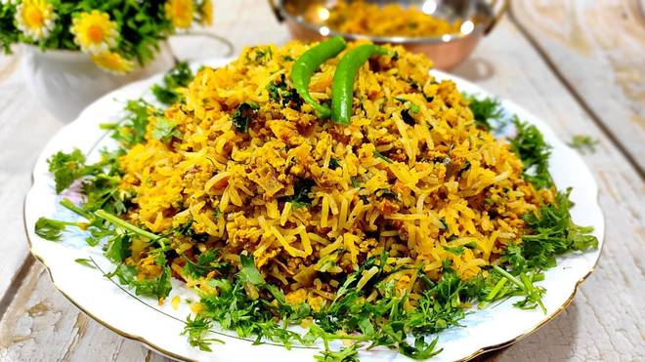
🍊 Restaurant Information

Name | Egg Junction
Area | Mandvi
Rating | --
Total Ratings | Too Few Ratings
Cuisines | Street Food
Cost for Two | ₹250 for two
Delivery Time | 44 mins
Swiggy URL | https://www.swiggy.com/city/vadodara/egg-junction-mandvi-rest971736
Scraped On | 18 Mar 2026, 10:36 am

── Menu Stats ──
Total Items | 20
Veg Items | 0
Non-Veg Items | 0
Bestsellers | 0
Items with Photo | 10
Categories | Pulao, Egg Item, Noodles And Pasta, Roti

