Info
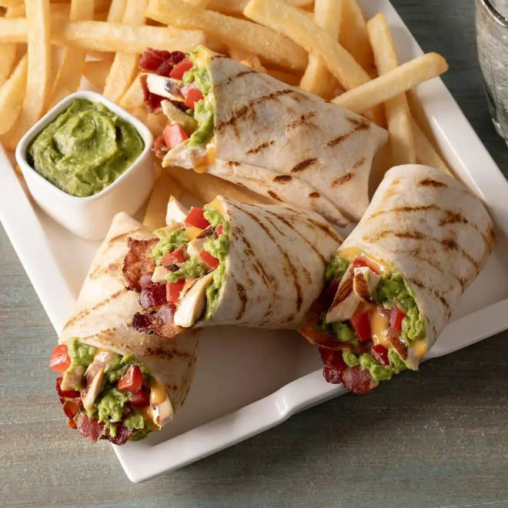
🍊 Restaurant Information

Name | Fit Bite Kitchen
Area | Akota
Rating | 4.2
Total Ratings | 7 ratings
Cuisines | Juices, Salads
Cost for Two | ₹499 for two
Delivery Time | 24 mins
Swiggy URL | https://www.swiggy.com/city/vadodara/fit-bite-kitchen-akota-rest1227837
Scraped On | 18 Mar 2026, 10:39 am

── Menu Stats ──
Total Items | 26
Veg Items | 0
Non-Veg Items | 0
Bestsellers | 0
Items with Photo | 25
Categories | Cheat bites combo's, Cheat bites paratha, Ballia special, Juices, Pasta

