Info
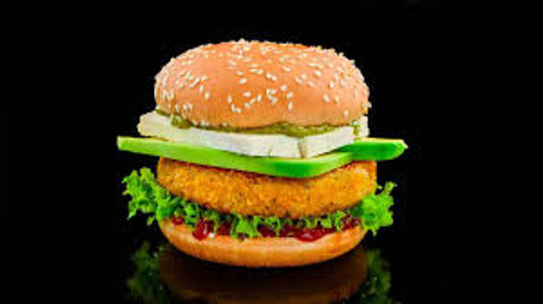
🍊 Restaurant Information

Name | Foodies Point
Area | Mandvi
Rating | --
Total Ratings | Too Few Ratings
Cuisines | Pizzas, Fast Food
Cost for Two | ₹300 for two
Delivery Time | 41 mins
Swiggy URL | https://www.swiggy.com/city/vadodara/foodies-point-mandvi-rest963186
Scraped On | 18 Mar 2026, 10:40 am

── Menu Stats ──
Total Items | 8
Veg Items | 0
Non-Veg Items | 0
Bestsellers | 0
Items with Photo | 6
Categories | Burger, Pizza

