Info
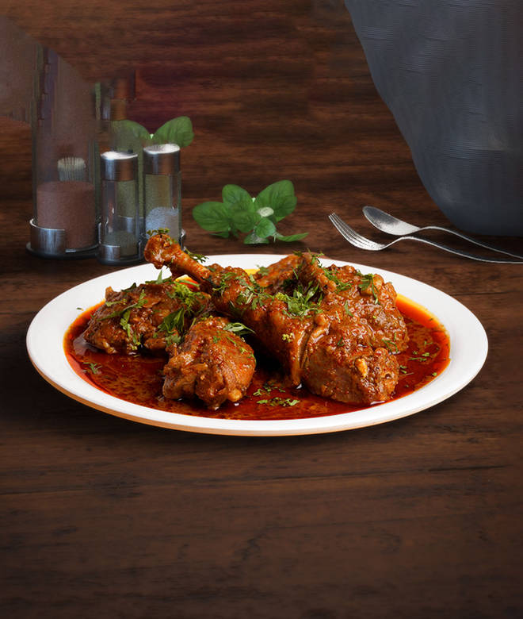
🍊 Restaurant Information

Name | Ghar Ka Chicken
Area | Kendranagar
Rating | 3.9
Total Ratings | 346 ratings
Cuisines | Biryani
Cost for Two | ₹200 for two
Delivery Time | 40 mins
Swiggy URL | https://www.swiggy.com/city/vadodara/ghar-ka-chicken-maji-nagar-kendranagar-rest583098
Scraped On | 18 Mar 2026, 10:36 am

── Menu Stats ──
Total Items | 12
Veg Items | 0
Non-Veg Items | 0
Bestsellers | 0
Items with Photo | 10
Categories | Recommended, Non Veg Main Course

