Info
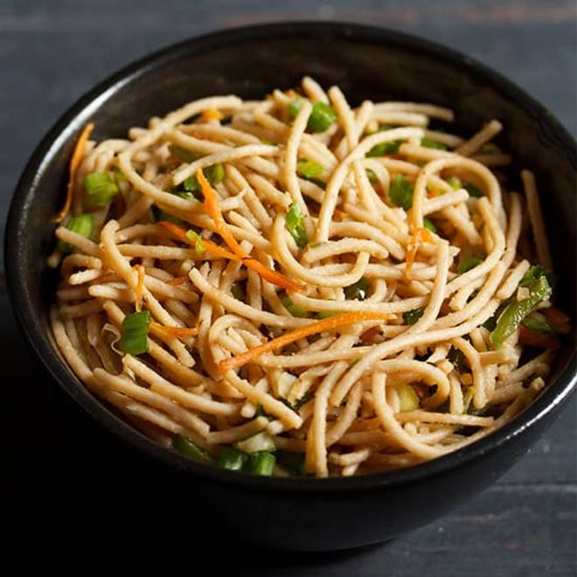
🍊 Restaurant Information

Name | Goodluck Chinese
Area | FATEHGUNJ
Rating | --
Total Ratings | Too Few Ratings
Cuisines | Chinese
Cost for Two | ₹300 for two
Delivery Time | 30 mins
Swiggy URL | https://www.swiggy.com/city/vadodara/goodluck-chinese-wuda-circle-fatehgunj-rest696720
Scraped On | 18 Mar 2026, 10:45 am

── Menu Stats ──
Total Items | 13
Veg Items | 0
Non-Veg Items | 0
Bestsellers | 0
Items with Photo | 0
Categories | Noodles, Bhel, Chinese, Chutney

