Info
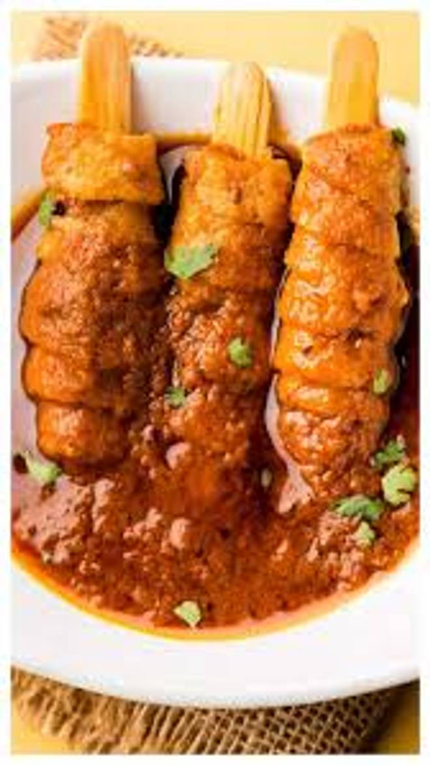
🍊 Restaurant Information

Name | Gujju'S Chap Corner
Area | Fatehgunj
Rating | 4.2
Total Ratings | 5 ratings
Cuisines | Fast Food
Cost for Two | ₹250 for two
Delivery Time | 29 mins
Swiggy URL | https://www.swiggy.com/city/vadodara/gujjus-chap-corner-mangal-kirti-apartment-fatehgunj-rest1041778
Scraped On | 18 Mar 2026, 10:45 am

── Menu Stats ──
Total Items | 5
Veg Items | 0
Non-Veg Items | 0
Bestsellers | 0
Items with Photo | 2
Categories | Potato Varieties

