Info
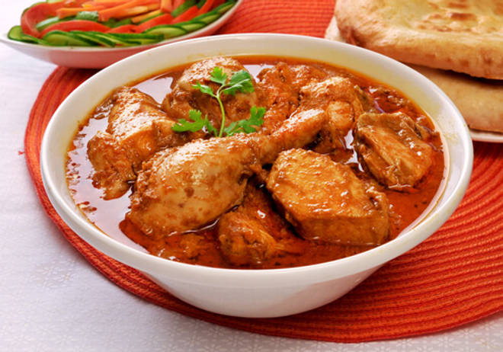
🍊 Restaurant Information

Name | Gwalior Tadka
Area | Navapura
Rating | --
Total Ratings | Too Few Ratings
Cuisines | Indian, Biryani
Cost for Two | ₹200 for two
Delivery Time | 35 mins
Swiggy URL | https://www.swiggy.com/city/vadodara/gwalior-tadka-rv-desai-road-navapura-rest577259
Scraped On | 18 Mar 2026, 10:46 am

── Menu Stats ──
Total Items | 5
Veg Items | 0
Non-Veg Items | 0
Bestsellers | 0
Items with Photo | 2
Categories | Potato Varieties

