Info
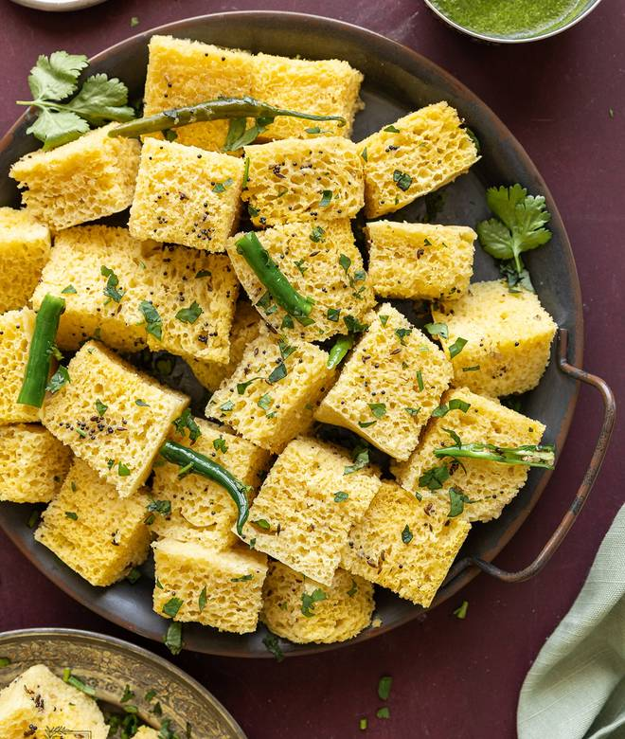
🍊 Restaurant Information

Name | Hari Khaman House
Area | Fatehgunj
Rating | 3.8
Total Ratings | 7 ratings
Cuisines | Gujarati
Cost for Two | ₹400 for two
Delivery Time | 33 mins
Swiggy URL | https://www.swiggy.com/city/vadodara/hari-khaman-house-fatehgunj-rest1227975
Scraped On | 18 Mar 2026, 10:41 am

── Menu Stats ──
Total Items | 8
Veg Items | 0
Non-Veg Items | 0
Bestsellers | 0
Items with Photo | 7
Categories | Snacks, Main Menu

