Info
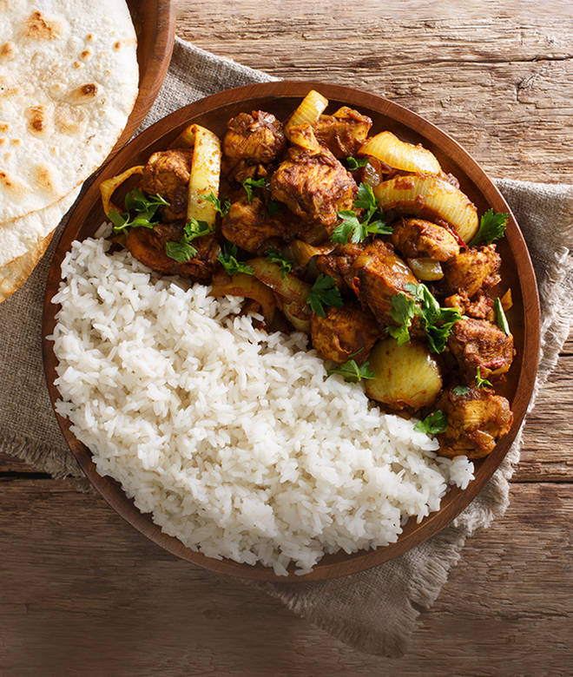
🍊 Restaurant Information

Name | Homely's Food Zone
Area | Fatehgunj
Rating | NEW
Total Ratings
Cuisines | Thalis, Gujarati
Cost for Two | ₹150 for two
Delivery Time | 36 mins
Swiggy URL | https://www.swiggy.com/city/vadodara/homelys-food-zone-fatehgunj-rest1332665
Scraped On | 18 Mar 2026, 10:43 am

── Menu Stats ──
Total Items | 24
Veg Items | 0
Non-Veg Items | 0
Bestsellers | 0
Items with Photo | 21
Categories | Breakfast, Sandwiches

