Info
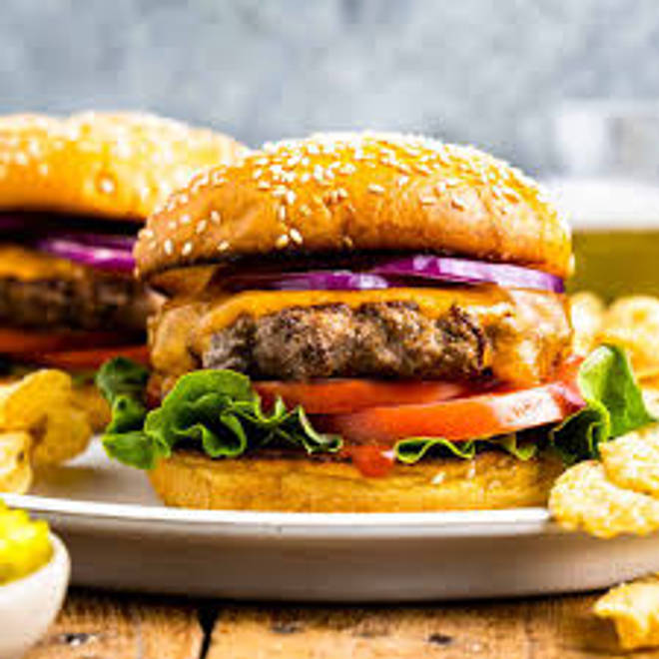
🍊 Restaurant Information

Name | In Out Burgers
Area | Akota
Rating | 3.8
Total Ratings | 16 ratings
Cuisines | Fast Food, Burgers
Cost for Two | ₹400 for two
Delivery Time | 25 mins
Swiggy URL | https://www.swiggy.com/city/vadodara/in-out-burgers-samanvay-silicon-akota-rest875516
Scraped On | 18 Mar 2026, 10:46 am

── Menu Stats ──
Total Items | 14
Veg Items | 0
Non-Veg Items | 0
Bestsellers | 0
Items with Photo | 11
Categories | Burgers, Snacks, Maggi

