Info
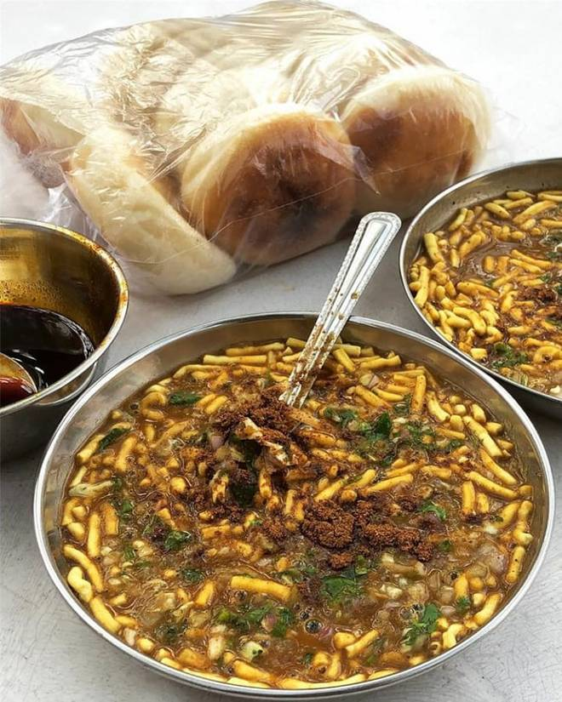
🍊 Restaurant Information

Name | Jai Jalaram Sev Usal
Area | Sayajigunj
Rating | 3.4
Total Ratings | 63 ratings
Cuisines | Indian
Cost for Two | ₹100 for two
Delivery Time | 29 mins
Swiggy URL | https://www.swiggy.com/city/vadodara/jai-jalaram-sev-usal-kothi-road-sayajigunj-rest256731
Scraped On | 18 Mar 2026, 10:42 am

── Menu Stats ──
Total Items | 4
Veg Items | 0
Non-Veg Items | 0
Bestsellers | 0
Items with Photo | 2
Categories | Milk Shake

