Info
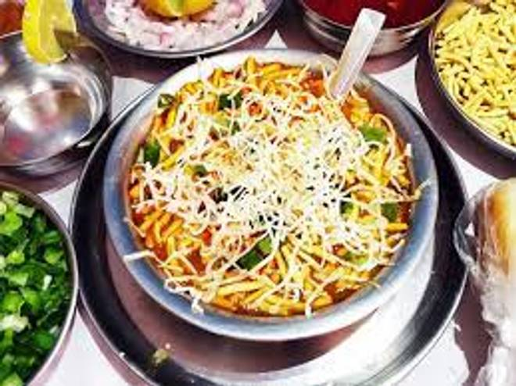
🍊 Restaurant Information

Name | Jay Ambe Sevusal
Area | Mandvi
Rating | 3.1
Total Ratings | 11 ratings
Cuisines | Chaat
Cost for Two | ₹200 for two
Delivery Time | 32 mins
Swiggy URL | https://www.swiggy.com/city/vadodara/jay-ambe-sevusal-ajwa-road-mandvi-rest610851
Scraped On | 18 Mar 2026, 10:45 am

── Menu Stats ──
Total Items | 18
Veg Items | 0
Non-Veg Items | 0
Bestsellers | 0
Items with Photo | 2
Categories | Recommended, Veg main course, Extras

